Pre-R00 AF
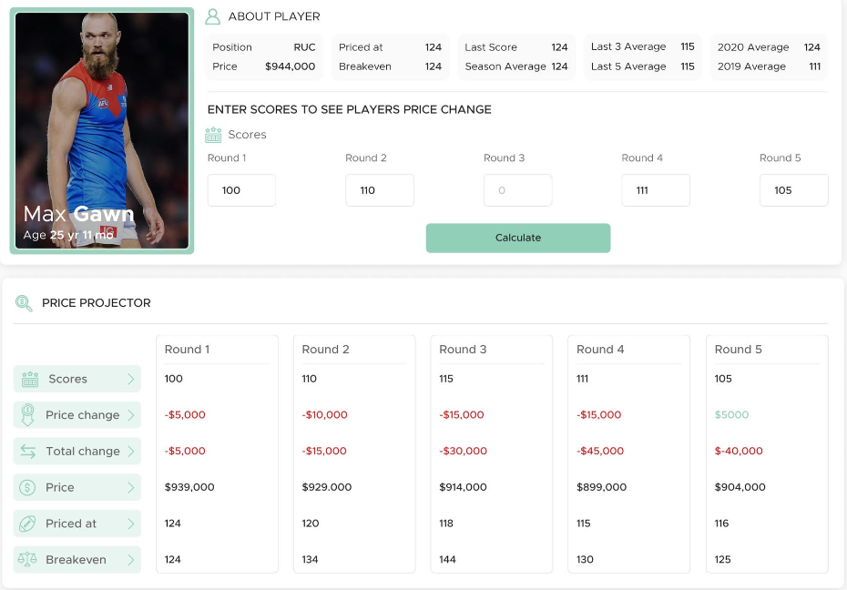
STEP 1 : CHANGE THIS CELL
USER SCREEN |  |  |  |  |  |  |  |  |  |  |  |  |  | DATABASE LOOKUPS
 |  |  |  |  |  |  |  |  |  |  |  |  |  | scores & prices for last 4 rounds played
Player |  | Matt Roberts
Price |  | 245,000 |  |  |  |  |  |  |  |  |  |  |  | Player | Team | Price | L01 | L02 | L03 | L04 | Expected BE
 |  |  |  |  |  |  |  |  |  |  |  |  |  | Marcus Bontempelli | WB | 1056000 | 0 | 0 | 0 | 0 |  | All 23
 |  | Round 0 | Round 1 | Round 2 | Round 3 | Round 4 |  |  |  |  |  |  |  | Jhye Clark | GE | 237000 | 0 | 0 | 0 | 0 |  | Played 1
 | Projected Scores | 100 | 100 | 100 | 100 | 100 |  |  |  |  |  |  |  | Brodie Grundy | ME | 677000 | 0 | 0 | 0 | 0 |  | Played 17
 |  |  |  |  |  |  |  |  |  |  |  |  |  | Nick Coffield | WB | 358000 | 0 | 0 | 0 | 0 |  | Missed Season
 |  |  |  |  |  |  |  |  |  |  |  |  |  | Harley Reid | WC | 300000 | 0 | 0 | 0 | 0 |  | Top priced rookie
PRICE PROJECTOR |  |  |  |  |  |  |  |  |  |  |  |  |  | Shaun Mannagh | GE | 200000 | 0 | 0 | 0 | 0 |  | Basement rookie
 |  | 1 | 2 | 3 | 4 | 5 |  |  |  |  |  |  |  | Blake Howes | ME | 200000 | 0 | 0 | 0 | 0 |  | Default rookie
 |  | Round 0 | Round 1 | Round 2 | Round 3 | Round 4 |  |  |  |  |  |  |  | Zac Fisher | NM | 623000 | 0 | 0 | 0 | 0 |  | Played 12
 | Scores | 100 | 100 | 100 | 100 | 100 |  |  |  |  |  |  |  | Matt Roberts | SY | 245000 | 0 | 0 | 0 | 0 |  | Played 6
 | Price Change | $55,000 | $88,000 | $95,000 | $86,000 | $66,000
STEP 3 : CHECK VALUES MATCH IF ALL PROJECTIONS = 100
 | Total Change | $55,000 | $143,000 | $238,000 | $324,000 | $390,000
 | Price | $300,000 | $388,000 | $483,000 | $569,000 | $635,000
 | Priced at | 27 | 34 | 45 | 57 | 68
 | Breakeven | 27 | -19 | -33 | -21 | 5 |  |  |  |  |  |  |  |  | User Inputs
 |  |  |  |  |  |  |  |  |  |  |  |  |  |  | Database Lookups
 |  |  |  |  |  |  |  |  |  |  |  |  |  |  | Weekly System Inputs
 |  |  |  |  |  |  |  |  |  |  |  |  |  |  | Developer Calculations

WEEKLY SYSTEM INPUTS (ADMINSTRATOR) |  |  |  |  |  | WEIGHTS (CONSTANT)
 |  |  |  |  |  | game | L01 | L02 | L03 | L04 | L05
Last Round |  | -1 |  |  |  | wt | 5 | 4 | 3 | 2 | 1
Initial MN |  | 9027 |  |  |  | pt | 0.083 | 0.067 | 0.050 | 0.033 | 0.017
MN Decay |  | 2.00% |  |  |  | cum pt | 0.083 | 0.150 | 0.200 | 0.233 | 0.250

STEP 2 : MATCH THIS VALUE WITH EXPECTED BE
CALCULATIONS FOR DEVELOPER

Player | Matt Roberts |  | game | L01 | L02 | L03 | L04 | L05
Team | SY |  | wt pt | 0.083 | 0.067 | 0.050 | 0.033 | 0.017
Current Price | 245,000 |  | wt px | 0.083 | 0.150 | 0.200 | 0.233 | 0.250

 |  | Pre-Round |  |  |  |  |  |  | Played | Wt Avg | Post Round
Round | MN | Price | Score | L01 | L02 | L03 | L04 | L05 | Rounds | Score | Price | Breakeven | Priced at
0 | 9027 | 245,000 | 100 | 100 | 0 | 0 | 0 | 0 | 1 | 100 | 299,808 | 27 | 27
1 | 8846 | 299,808 | 100 | 100 | 100 | 0 | 0 | 0 | 2 | 100 | 387,534 | -19 | 34
2 | 8670 | 387,534 | 100 | 100 | 100 | 100 | 0 | 0 | 3 | 100 | 483,418 | -33 | 45
3 | 8496 | 483,418 | 100 | 100 | 100 | 100 | 100 | 0 | 4 | 100 | 568,864 | -21 | 57
4 | 8326 | 568,864 | 100 | 100 | 100 | 100 | 100 | 100 | 5 | 100 | 634,803 | 5 | 68

R00 AF
STEP 1 : CHANGE THIS CELL
USER SCREEN |  |  |  |  |  |  |  |  |  |  |  |  |  | DATABASE LOOKUPS
 |  |  |  |  |  |  |  |  |  |  |  |  |  | scores & prices for last 4 rounds played
Player |  | Blake Howes
Price |  | 872,000 |  |  |  |  |  |  |  |  |  |  |  | Player | Team | Price | L01 | L02 | L03 | L04 | Expected BE |  |  |  | R00 | Proj Price | Proj BE | BE to Revert
 |  |  |  |  |  |  |  |  |  |  |  |  |  | Marcus Bontempelli | WB | 1056000 | 0 | 0 | 0 | 0 | 119 |  | All 23
 |  | Round 1 | Round 2 | Round 3 | Round 4 | Round 5 |  |  |  |  |  |  |  | Jhye Clark | GE | 237000 | 0 | 0 | 0 | 0 | 27 |  | Played 1
 | Projected Scores | 77 | 75 | 100 | 100 | 100 |  |  |  |  |  |  |  | Brodie Grundy | ME | 677000 | 0 | 0 | 0 | 0 | 77 |  | Played 17 |  | 118 | 708000 | 53 | 10
 |  |  |  |  |  |  |  |  |  |  |  |  |  | Nick Coffield | WB | 358000 | 0 | 0 | 0 | 0 | 40 |  | Missed Season
 |  |  |  |  |  |  |  |  |  |  |  |  |  | Harley Reid | WC | 300000 | 0 | 0 | 0 | 0 | 34 |  | Top priced rookie
PRICE PROJECTOR |  |  |  |  |  |  |  |  |  |  |  |  |  | Shaun Mannagh | GE | 200000 | 0 | 0 | 0 | 0 | 23 |  | Basement rookie
 |  | 1 | 2 | 3 | 4 | 5 |  |  |  |  |  |  |  | Blake Howes | ME | 872000 | 0 | 0 | 0 | 0 | 23 |  | Default rookie |  | 74 | 238000 | -10 | -62
 |  | Round 1 | Round 2 | Round 3 | Round 4 | Round 5 |  |  |  |  |  |  |  | Zac Fisher | NM | 623000 | 0 | 0 | 0 | 0 | 70 |  | Played 12
 | Scores | 77 | 75 | 100 | 100 | 100 |  |  |  |  |  |  |  | Matt Roberts | SY | 245000 | 0 | 0 | 0 | 0 | 28 |  | Played 6 |  | 91 | 292000 | -12 | -77
 | Price Change | -$16,000 | -$30,000 | -$19,000 | -$11,000 | -$5,000
STEP 3 : CHECK VALUES MATCH IF ALL PROJECTIONS = 100
 | Total Change | -$16,000 | -$46,000 | -$65,000 | -$76,000 | -$81,000
 | Price | $856,000 | $826,000 | $807,000 | $796,000 | $791,000
 | Priced at | 99 | 99 | 97 | 97 | 98
 | Breakeven | 99 | 116 | 127 | 116 | 107 |  |  |  |  |  |  |  |  | User Inputs
 |  |  |  |  |  |  |  |  |  |  |  |  |  |  | Database Lookups
 |  |  |  |  |  |  |  |  |  |  |  |  |  |  | Weekly System Inputs
 |  |  |  |  |  |  |  |  |  |  |  |  |  |  | Developer Calculations

WEEKLY SYSTEM INPUTS (ADMINSTRATOR) |  |  |  |  |  | WEIGHTS (CONSTANT)
 |  |  |  |  |  | game | L01 | L02 | L03 | L04 | L05
Last Round |  | 0 |  |  |  | wt | 5 | 4 | 3 | 2 | 1
Initial MN |  | 9027 |  |  |  | pt | 0.083 | 0.067 | 0.050 | 0.033 | 0.017
MN Decay |  | 2.00% |  |  |  | cum pt | 0.083 | 0.150 | 0.200 | 0.233 | 0.250

STEP 2 : MATCH THIS VALUE WITH EXPECTED BE
CALCULATIONS FOR DEVELOPER

Player | Blake Howes |  | game | L01 | L02 | L03 | L04 | L05 |  |  |  |  |  | wtpx | 0.15 |  |  |  |  | L01 | 75
Team | ME |  | wt pt | 0.083 | 0.067 | 0.050 | 0.033 | 0.017 |  |  |  |  |  | val | 0.066666666667 |  |  |  |  | L02 | 77
Current Price | 872,000 |  | wt px | 0.083 | 0.150 | 0.200 | 0.233 | 0.250 |  |  |  |  |  | nPlayed | 2 |  |  |  |  |  | 856098.11833

 |  | Pre-Round |  |  |  |  |  |  | Played | Wt Avg | Post Round
Round | MN | Price | Score | L01 | L02 | L03 | L04 | L05 | Rounds | Score | Price | Breakeven | Priced at
1 | 8846 | 872,000 | 77 | 77 | 0 | 0 | 0 | 0 | 1 | 77 | 856,098 | 99 | 99 | EstPx * (1 - 0.083) + (77*0.083)*magic number |  |  |  |  |  |  | 856095.23029 | 1
2 | 8670 | 856,098 | 75 | 75 | 77 | 0 | 0 | 0 | 2 | 76 | 826,372 | 116 | 99 | EstPx * (1 - 0.150) + (75*0.083 + 77* 0.067)*magic number |  |  |  |  |  |  | 830569.53774 | 2
3 | 8496 | 826,372 | 100 | 100 | 75 | 77 | 0 | 0 | 3 | 86 | 807,089 | 127 | 97
4 | 8326 | 807,089 | 100 | 100 | 100 | 75 | 77 | 0 | 4 | 91 | 796,256 | 116 | 97 | EstPx * (1 - 0.15 + (2-nPlayed)*val) + (77*0.083 + 75*0)*magic number |  |  |  |  |  |  | 830867.23392 |  | 856098.11833 | 6.25 | 5.1333333333
5 | 8160 | 796,256 | 100 | 100 | 100 | 100 | 75 | 77 | 5 | 95 | 791,256 | 107 | 98 | EstPx * (1 - 0.150) + (75*0.083 + 77* 0.067)*magic number |  |  |  |  |  |  | 830565.96725
 |  |  |  |  |  |  |  |  |  |  |  |  |  |  | 6.4166666667 | 0
 |  |  |  |  |  |  |  |  |  |  |  |  |  |  | 6.25 | 5.1333333333 |  |  |  |  | 833000

R01 AF
STEP 1 : CHANGE THIS CELL
USER SCREEN |  |  |  |  |  |  |  |  |  |  |  |  |  | DATABASE LOOKUPS
 |  |  |  |  |  |  |  |  |  |  |  |  |  | scores & prices for last 4 rounds played
Player |  | Max Hall
Price |  | 280,000 |  |  |  |  |  |  |  |  |  |  |  | Player | Team | Price | L01 | L02 | L03 | L04 | Expected BE |  |  |  | R00 | Proj Price | Proj BE | BE to Revert
 |  |  |  |  |  |  |  |  |  |  |  |  |  | Marcus Bontempelli | WB | 1056000 | 0 | 0 | 0 | 0 | 119 |  | All 23
 |  | Round 2 | Round 3 | Round 4 | Round 5 | Round 6 |  |  |  |  |  |  |  | Jhye Clark | GE | 237000 | 0 | 0 | 0 | 0 | 27 |  | Played 1
 | Projected Scores | 55 | 100 | 100 | 100 | 100 |  |  |  |  |  |  |  | Brodie Grundy | ME | 677000 | 0 | 0 | 0 | 0 | 77 |  | Played 17 |  | 118 | 708000 | 53 | 10
 |  |  |  |  |  |  |  |  |  |  |  |  |  | Nick Coffield | WB | 358000 | 0 | 0 | 0 | 0 | 40 |  | Missed Season
 |  |  |  |  |  |  |  |  |  |  |  |  |  | Harley Reid | WC | 300000 | 0 | 0 | 0 | 0 | 34 |  | Top priced rookie
PRICE PROJECTOR |  |  |  |  |  |  |  |  |  |  |  |  |  | Shaun Mannagh | GE | 200000 | 0 | 0 | 0 | 0 | 23 |  | Basement rookie
 |  | 1 | 2 | 3 | 4 | 5 |  |  |  |  |  |  |  | Blake Howes | ME | 872000 | 0 | 0 | 0 | 0 | 23 |  | Default rookie |  | 74 | 238000 | -10 | -62
 |  | Round 2 | Round 3 | Round 4 | Round 5 | Round 6 |  |  |  |  |  |  |  | Zac Fisher | NM | 623000 | 0 | 0 | 0 | 0 | 70 |  | Played 12
 | Scores | 55 | 100 | 100 | 100 | 100 |  |  |  |  |  |  |  | Max Hall | SK | 280000 | 82 | 0 | 0 | 0 | 28 |  | Played 6 |  | 91 | 292000 | -12 | -77
 | Price Change | $55,000 | $84,000 | $91,000 | $82,000 | $67,000
STEP 3 : CHECK VALUES MATCH IF ALL PROJECTIONS = 100
 | Total Change | $55,000 | $139,000 | $230,000 | $312,000 | $379,000
 | Price | $335,000 | $419,000 | $510,000 | $592,000 | $659,000
 | Priced at | 29 | 36 | 45 | 56 | 67
 | Breakeven | -13 | -8 | -19 | -9 | 10 |  |  |  |  |  |  |  |  | User Inputs
 |  |  |  |  |  |  |  |  |  |  |  |  |  |  | Database Lookups
 |  |  |  |  |  |  |  |  |  |  |  |  |  |  | Weekly System Inputs
 |  |  |  |  |  |  |  |  |  |  |  |  |  |  | Developer Calculations

WEEKLY SYSTEM INPUTS (ADMINSTRATOR) |  |  |  |  |  | WEIGHTS (CONSTANT)
 |  |  |  |  |  | game | L01 | L02 | L03 | L04 | L05
Last Round |  | 1 |  |  |  | wt | 5 | 4 | 3 | 2 | 1
Initial MN |  | 10000 |  |  |  | pt | 0.083 | 0.067 | 0.050 | 0.033 | 0.017
MN Decay |  | 2.00% |  |  |  | cum pt | 0.083 | 0.150 | 0.200 | 0.233 | 0.250

STEP 2 : MATCH THIS VALUE WITH EXPECTED BE
CALCULATIONS FOR DEVELOPER

Player | Max Hall |  | game | L01 | L02 | L03 | L04 | L05 |  |  |  |  |  | wtpx | 0.15 |  |  |  |  | L01 | 100
Team | SK |  | wt pt | 0.083 | 0.067 | 0.050 | 0.033 | 0.017 |  |  |  |  |  | val | 0.066666666667 |  |  |  |  | L02 | 55
Current Price | 280,000 |  | wt px | 0.083 | 0.150 | 0.200 | 0.233 | 0.250 |  |  |  |  |  | nPlayed | 2 |  |  |  |  |  | 334520.2

 |  | Pre-Round |  |  |  |  |  |  | Played | Wt Avg | Post Round
Round | MN | Price | Score | L01 | L02 | L03 | L04 | L05 | Rounds | Score | Price | Breakeven | Priced at
2 | 9604 | 280,000 | 55 | 55 | 82 | 0 | 0 | 0 | 2 | 67 | 334,520 | -13 | 29 | EstPx * (1 - 0.083) + (77*0.083)*magic number |  |  |  |  |  |  | 297210.76449 | 1
3 | 9412 | 334,520 | 100 | 100 | 55 | 82 | 0 | 0 | 3 | 80 | 419,148 | -8 | 36 | EstPx * (1 - 0.150) + (75*0.083 + 77* 0.067)*magic number |  |  |  |  |  |  | 360949.57982 | 2
4 | 9224 | 419,148 | 100 | 100 | 100 | 55 | 82 | 0 | 4 | 88 | 510,279 | -19 | 45
5 | 9039 | 510,279 | 100 | 100 | 100 | 100 | 55 | 82 | 5 | 93 | 592,419 | -9 | 56 | EstPx * (1 - 0.15 + (2-nPlayed)*val) + (77*0.083 + 75*0)*magic number |  |  |  |  |  |  | 386019.67 |  | 334520.2 | 8.3333333333 | 3.6666666667
6 | 8858 | 592,419 | 100 | 100 | 100 | 100 | 100 | 55 | 5 | 97 | 659,131 | 10 | 67 | EstPx * (1 - 0.150) + (75*0.083 + 77* 0.067)*magic number |  |  |  |  |  |  | 392798.17
 |  |  |  |  |  |  |  |  |  |  |  |  |  |  | 4.5833333333 | 6.8333333333
 |  |  |  |  |  |  |  |  |  |  |  |  |  |  | 8.3333333333 | 3.6666666667 |  |  |  |  | 833000

MN 2015-2022
 |  | MN Table |  |  |  |  |  |  |  |  |  | Decay Table |  |  |  |  |  |  |  |  |  | 8850 | Normalised to 8386
 |  |  |  |  |  |  |  |  |  |  |  |  |  |  |  |  |  |  |  |  |  |  |  |  |  |  |  |  |  |  | Est
 |  | 2015 | 2016 | 2017 | 2018 | 2019 | 2020 | 2021 | 2022 |  |  | 2015 | 2016 | 2017 | 2018 | 2019 | 2020 | 2021 | 2022 | Ave |  | 2015 | 2016 | 2017 | 2018 | 2019 | 2020 | 2021 | 2022 | Avg | 2023
 | 0 | 5662.9383222 | 5340.4689419 | 6035.8127366 | 7042.8397658 | 7257.0448593 | 9276.0886169 | 7635.7437333 | 8386.1836438 |  | 0 |  |  |  |  |  |  |  |  |  | 0 | 8850 | 8850 | 8850 | 8850 | 8850 | 8850 | 8850 | 8850 | 8850 | 8,850
 | 1 | 5652.9894924 | 5189.3481435 | 5761.3111566 | 6935.4416499 | 7164.5647828 | 9126.3706873 | 7583.2869494 | 8532.3730773 |  | 1 | 0.18% | 2.83% | 4.55% | 1.52% | 1.27% | 1.61% | 0.69% | -1.74% | 1.36% | 1 | 8834.452039 | 8599.5689835 | 8447.5125324 | 8715.0440224 | 8737.2201161 | 8707.1592261 | 8789.201399 | 9004.2747621 | 8729
 | 2 | 5476.8128136 | 5251.5484312 | 5740.0099467 | 6863.1909267 | 7061.2746845 | 9073.1312854 | 7449.0210431 | 8326.18 |  | 2 | 3.12% | -1.20% | 0.37% | 1.04% | 1.44% | 0.58% | 1.77% | 2.42% | 1.19% | 2 | 8559.1243702 | 8702.6446782 | 8416.2796701 | 8624.2540966 | 8611.2573603 | 8656.3653272 | 8633.5841713 | 8786.6777225 | 8624
 | 3 | 5367.9987033 | 5223.2273709 | 5642.4966447 | 6868.8371365 | 7019.2830692 | 9164.083969 | 7295.13568 | 8250.86 |  | 3 | 1.99% | 0.54% | 1.70% | -0.08% | 0.59% | -1.00% | 2.07% | 0.90% | 0.84% | 3 | 8389.0704474 | 8655.712211 | 8273.3009595 | 8631.3490977 | 8560.0483898 | 8743.1401827 | 8455.2275487 | 8707.1919841 | 8552
 | 4 | 5354.0059444 | 5201.2178954 | 5606.0550925 | 6916.1988489 | 6941.5983596 | 9072.458468 | 7330.164595 | 8248.87 |  | 4 | 0.26% | 0.42% | 0.65% | -0.69% | 1.11% | 1.00% | -0.48% | 0.02% | 0.29% | 4 | 8367.2026625 | 8619.239036 | 8219.8685966 | 8690.8636073 | 8465.3115248 | 8655.723415 | 8495.8268548 | 8705.0919227 | 8527
 | 5 | 5328.8362185 | 5169.4217474 | 5580.4028349 | 6785.0886319 | 6832.9394482 | 8984.5439793 | 7262.5375534 | 8227.6265575 |  | 5 | 0.47% | 0.61% | 0.46% | 1.90% | 1.57% | 0.97% | 0.92% | 0.26% | 0.89% | 5 | 8327.8675928 | 8566.5477998 | 8182.2560181 | 8526.1111128 | 8332.8014762 | 8571.8471977 | 8417.4455813 | 8682.6735649 | 8451
 | 6 | 5328.6754969 | 5114.1792432 | 5521.1293412 | 6719.0917505 | 6789.9989989 | 8869.1441324 | 7221.3723722 | 8155.4515008 |  | 6 | 0.00% | 1.07% | 1.06% | 0.97% | 0.63% | 1.28% | 0.57% | 0.88% | 0.81% | 6 | 8327.6164183 | 8475.0022508 | 8095.3463604 | 8443.1797357 | 8280.4353984 | 8461.7481368 | 8369.7342036 | 8606.5067077 | 8382
 | 7 | 5316.4727474 | 5117.5022565 | 5539.730726 | 6676.3877589 | 6783.2789819 | 8825.6408439 | 7125.241363 | 8208.8288797 |  | 7 | 0.23% | -0.06% | -0.34% | 0.64% | 0.10% | 0.49% | 1.33% | -0.65% | 0.22% | 7 | 8308.5460475 | 8480.5090083 | 8122.6206088 | 8389.5180966 | 8272.2403064 | 8420.243132 | 8258.3161858 | 8662.83624 | 8364
 | 8 | 5330.3992469 | 5101.7925779 | 5519.2741019 | 6601.3324865 | 6736.2027461 | 8904.2748893 | 7100.2783409 | 8101.0131392 |  | 8 | -0.26% | 0.31% | 0.37% | 1.12% | 0.69% | -0.89% | 0.35% | 1.31% | 0.38% | 8 | 8330.3102825 | 8454.4755911 | 8092.626119 | 8295.2039871 | 8214.8306176 | 8495.2651947 | 8229.3834775 | 8549.0575126 | 8333
 | 9 | 5292.8903777 | 5064.7275735 | 5483.1351309 | 6608.5776071 | 6750.5096306 | 8869.5412982 | 7120.0888399 | 8063.2855747 |  | 9 | 0.70% | 0.73% | 0.65% | -0.11% | -0.21% | 0.39% | -0.28% | 0.47% | 0.29% | 9 | 8271.6916868 | 8393.0530284 | 8039.6374152 | 8304.3081722 | 8232.2779299 | 8462.1270592 | 8252.3442947 | 8509.2433421 | 8308
 | 10 | 5313.5418413 | 5022.880391 | 5472.7160818 | 6585.5436357 | 6797.1649575 | 8732.9099014 | 7110.206532 | 8119.516632 |  | 10 | -0.39% | 0.83% | 0.19% | 0.35% | -0.69% | 1.54% | 0.14% | -0.70% | 0.16% | 10 | 8303.9656481 | 8323.7056416 | 8024.3605024 | 8275.3637899 | 8289.1743182 | 8331.7717002 | 8240.890476 | 8568.5843818 | 8295
 | 11 | 5261.2193543 | 4969.0907113 | 5476.0815689 | 6547.2217899 | 6821.8462947 | 8730.1716821 | 7107.705771 | 8096.5343012 |  | 11 | 0.98% | 1.07% | -0.06% | 0.58% | -0.36% | 0.03% | 0.04% | 0.28% | 0.32% | 11 | 8222.1964351 | 8234.5676519 | 8029.2951421 | 8227.208735 | 8319.2733239 | 8329.1592585 | 8237.9920372 | 8544.3309626 | 8268
 | 12 | 5333.3459783 | 4918.0127021 | 5523.6161215 | 6497.2405895 | 6837.9911522 | 8586.8857023 | 7163.3911803 | 8128.7354809 |  | 12 | -1.37% | 1.03% | -0.87% | 0.76% | -0.24% | 1.64% | -0.78% | -0.40% | -0.03% | 12 | 8334.9154136 | 8149.9233284 | 8098.9925977 | 8164.4025889 | 8338.9620528 | 8192.4549887 | 8302.5326884 | 8578.3130995 | 8270
 | 13 | 5323.3243201 | 4936.0027226 | 5577.586285 | 6690.5777819 | 6716.9759289 | 8506.1949453 | 7171.3647116 | 8236.87 |  | 13 | 0.19% | -0.37% | -0.98% | -2.98% | 1.77% | 0.94% | -0.11% | -1.33% | -0.36% | 13 | 8319.253637 | 8179.7356319 | 8178.1262568 | 8407.3492142 | 8191.3834245 | 8115.4706875 | 8311.7741918 | 8692.4282363 | 8299
 | 14 | 5300.0622792 | 4948.1423564 | 5576.2292048 | 6702.9081468 | 6749.2878963 | 8603.1222455 | 7379.8642907 | 8144.93 |  | 14 | 0.44% | -0.25% | 0.02% | -0.18% | -0.48% | -1.14% | -2.91% | 1.12% | -0.42% | 14 | 8282.8998838 | 8199.8529213 | 8176.1364402 | 8422.8434938 | 8230.7880191 | 8207.9457211 | 8553.4299283 | 8595.4032921 | 8334
 | 15 | 5297.9177574 | 4973.1911772 | 5500.524463 | 6592.719703 | 6764.9854091 | 8743.6364985 | 7325.9072804 | 8140.04 |  | 15 | 0.04% | -0.51% | 1.36% | 1.64% | -0.23% | -1.63% | 0.73% | 0.06% | 0.18% | 15 | 8279.5484402 | 8241.3627712 | 8065.1344933 | 8284.381203 | 8249.9312091 | 8342.0055809 | 8490.8925307 | 8590.2428399 | 8318
 | 16 | 5239.4002281 | 4944.3897932 | 5528.823772 | 6587.9026625 | 6813.5625542 | 8736.2588984 | 7383.8877538 | 8078.11 |  | 16 | 1.10% | 0.58% | -0.51% | 0.07% | -0.72% | 0.08% | -0.79% | 0.76% | 0.07% | 16 | 8188.097659 | 8193.6343318 | 8106.6283063 | 8278.3281322 | 8309.1712637 | 8334.9668642 | 8558.0932132 | 8524.8876648 | 8312
 | 17 | 5216.2334617 | 4929.7159296 | 5529.7100518 | 6592.5587614 | 6827.3701908 | 8647.7550929 | 7353.7680984 | 8050 |  | 17 | 0.44% | 0.30% | -0.02% | -0.07% | -0.20% | 1.01% | 0.41% | 0.35% | 0.28% | 17 | 8151.8928 | 8169.3174237 | 8107.9278125 | 8284.1789646 | 8326.009741 | 8250.5283997 | 8523.1838502 | 8495.2229794 | 8289
 | 18 | 5237.1118696 | 4887.5322475 | 5563.9728014 | 6553.8190341 | 6733.7316754 | 8649.7599034 | 7286.2033469 | 7931.6208713 |  | 18 | -0.40% | 0.86% | -0.62% | 0.59% | 1.37% | -0.02% | 0.92% | 1.47% | 0.52% | 18 | 8184.5214283 | 8099.412404 | 8158.1655099 | 8235.4988017 | 8211.8171354 | 8252.4411211 | 8444.8747722 | 8370.2966323 | 8245
 | 19 | 5234.198175 | 4835.7196788 | 5541.3950764 | 6560.4967773 | 6727.3164286 |  | 7314.623167 | 7960 |  | 19 | 0.06% | 1.06% | 0.41% | -0.10% | 0.10% |  | -0.39% | -0.36% | 0.11% | 19 | 8179.9679271 | 8013.5507992 | 8125.0609596 | 8243.890023 | 8203.993712 |  | 8477.8139876 | 8400.2453312 | 8235
 | 20 | 5232.1839262 | 4825.8787845 | 5535.656401 | 6491.8203893 | 6708.5457845 |  | 7201.7744956 | 7932.8904227 |  | 20 | 0.04% | 0.20% | 0.10% | 1.05% | 0.28% |  | 1.54% | 0.34% | 0.51% | 20 | 8176.8200733 | 7997.242884 | 8116.6466368 | 8157.5915903 | 8181.1028241 |  | 8347.0198205 | 8371.636399 | 8193
 | 21 | 5174.3480505 | 4809.5745914 | 5583.9321548 | 6500.8612696 | 6704.4144406 |  | 7169.9215657 | 7935.7365382 |  | 21 | 1.11% | 0.34% | -0.87% | -0.14% | 0.06% |  | 0.44% | -0.04% | 0.13% | 21 | 8086.4345753 | 7970.2242626 | 8187.4308773 | 8168.9523188 | 8176.064631 |  | 8310.1015531 | 8374.6399252 | 8182
 | 22 | 5093.8500478 | 4820.5417163 | 5501.836078 | 6508.1697249 | 6683.7205566 |  | 7157.3114191 | 7982.9014589 |  | 22 | 1.56% | -0.23% | 1.47% | -0.11% | 0.31% |  | 0.18% | -0.59% | 0.37% | 22 | 7960.6328655 | 7988.3985195 | 8067.0576466 | 8178.1360901 | 8150.8283431 |  | 8295.4861074 | 8424.4134057 | 8152
 | 23 | 5002.2004494 | 4802.8660741 | 5490.7724958 | 6453.1852522 | 6737.9345995 |  | 7117.0469735 |  |  | 23 | 1.80% | 0.37% | 0.20% | 0.84% | -0.81% |  | 0.56% |  | 0.49% | 23 | 7817.4035206 | 7959.1071904 | 8050.8356883 | 8109.042855 | 8216.9426208 |  | 8248.8187026 |  | 8067
Normalised to 2023 MN
 | 2015 | 2016 | 2017 | 2018 | 2019 | 2020 | 2021 | 2022 | 2023 | Avg
 | 8850 | 8850 | 8850 | 8850 | 8850 | 8850 | 8850 | 8850 | 8,850 | 8850
 | 8834.452039 | 8599.5689835 | 8447.5125324 | 8715.0440224 | 8737.2201161 | 8707.1592261 | 8789.201399 | 9004.2747621 |  | 8729
 | 8559.1243702 | 8702.6446782 | 8416.2796701 | 8624.2540966 | 8611.2573603 | 8656.3653272 | 8633.5841713 | 8786.6777225 |  | 8624
 | 8389.0704474 | 8655.712211 | 8273.3009595 | 8631.3490977 | 8560.0483898 | 8743.1401827 | 8455.2275487 | 8707.1919841 |  | 8552
 | 8367.2026625 | 8619.239036 | 8219.8685966 | 8690.8636073 | 8465.3115248 | 8655.723415 | 8495.8268548 | 8705.0919227 |  | 8527
 | 8327.8675928 | 8566.5477998 | 8182.2560181 | 8526.1111128 | 8332.8014762 | 8571.8471977 | 8417.4455813 | 8682.6735649 |  | 8451
 | 8327.6164183 | 8475.0022508 | 8095.3463604 | 8443.1797357 | 8280.4353984 | 8461.7481368 | 8369.7342036 | 8606.5067077 |  | 8382
 | 8308.5460475 | 8480.5090083 | 8122.6206088 | 8389.5180966 | 8272.2403064 | 8420.243132 | 8258.3161858 | 8662.83624 |  | 8364
 | 8330.3102825 | 8454.4755911 | 8092.626119 | 8295.2039871 | 8214.8306176 | 8495.2651947 | 8229.3834775 | 8549.0575126 |  | 8333
 | 8271.6916868 | 8393.0530284 | 8039.6374152 | 8304.3081722 | 8232.2779299 | 8462.1270592 | 8252.3442947 | 8509.2433421 |  | 8308
 | 8303.9656481 | 8323.7056416 | 8024.3605024 | 8275.3637899 | 8289.1743182 | 8331.7717002 | 8240.890476 | 8568.5843818 |  | 8295
 | 8222.1964351 | 8234.5676519 | 8029.2951421 | 8227.208735 | 8319.2733239 | 8329.1592585 | 8237.9920372 | 8544.3309626 |  | 8268
 | 8334.9154136 | 8149.9233284 | 8098.9925977 | 8164.4025889 | 8338.9620528 | 8192.4549887 | 8302.5326884 | 8578.3130995 |  | 8270
 | 8319.253637 | 8179.7356319 | 8178.1262568 | 8407.3492142 | 8191.3834245 | 8115.4706875 | 8311.7741918 | 8692.4282363 |  | 8299
 | 8282.8998838 | 8199.8529213 | 8176.1364402 | 8422.8434938 | 8230.7880191 | 8207.9457211 | 8553.4299283 | 8595.4032921 |  | 8334
 | 8279.5484402 | 8241.3627712 | 8065.1344933 | 8284.381203 | 8249.9312091 | 8342.0055809 | 8490.8925307 | 8590.2428399 |  | 8318
 | 8188.097659 | 8193.6343318 | 8106.6283063 | 8278.3281322 | 8309.1712637 | 8334.9668642 | 8558.0932132 | 8524.8876648 |  | 8312
 | 8151.8928 | 8169.3174237 | 8107.9278125 | 8284.1789646 | 8326.009741 | 8250.5283997 | 8523.1838502 | 8495.2229794 |  | 8289
 | 8184.5214283 | 8099.412404 | 8158.1655099 | 8235.4988017 | 8211.8171354 | 8252.4411211 | 8444.8747722 | 8370.2966323 |  | 8245
 | 8179.9679271 | 8013.5507992 | 8125.0609596 | 8243.890023 | 8203.993712 |  | 8477.8139876 | 8400.2453312 |  | 8235
 | 8176.8200733 | 7997.242884 | 8116.6466368 | 8157.5915903 | 8181.1028241 |  | 8347.0198205 | 8371.636399 |  | 8193
 | 8086.4345753 | 7970.2242626 | 8187.4308773 | 8168.9523188 | 8176.064631 |  | 8310.1015531 | 8374.6399252 |  | 8182
 | 7960.6328655 | 7988.3985195 | 8067.0576466 | 8178.1360901 | 8150.8283431 |  | 8295.4861074 | 8424.4134057 |  | 8152
 | 7817.4035206 | 7959.1071904 | 8050.8356883 | 8109.042855 | 8216.9426208 |  | 8248.8187026 |  |  | 8067
 |  |  |  |  |  |  |  |  |  | Average
Average decay per round |  | 0.54% | 0.46% | 0.41% | 0.38% | 0.32% | 0.39% | 0.31% | 0.22% | 0.40%
Average decay excluding R0 |  | 0.55% | 0.35% | 0.22% | 0.33% | 0.28% | 0.32% | 0.29% | 0.32% | 0.33%
Total change by Round 5 |  | 5.90% | 3.20% | 7.55% | 3.66% | 5.84% | 3.14% | 4.89% | 1.89% | 4.88%

Pricing Formula
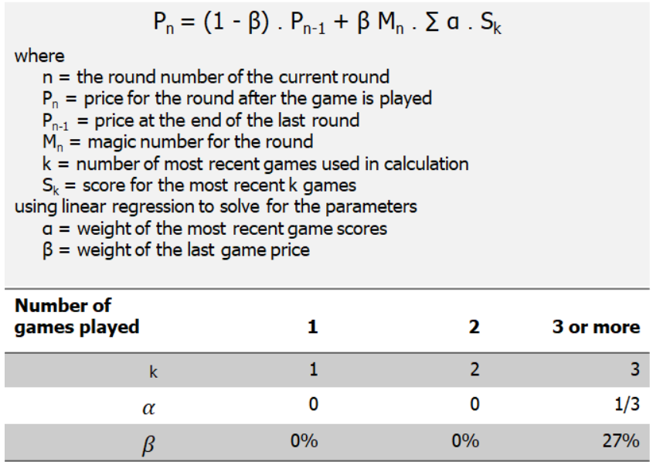
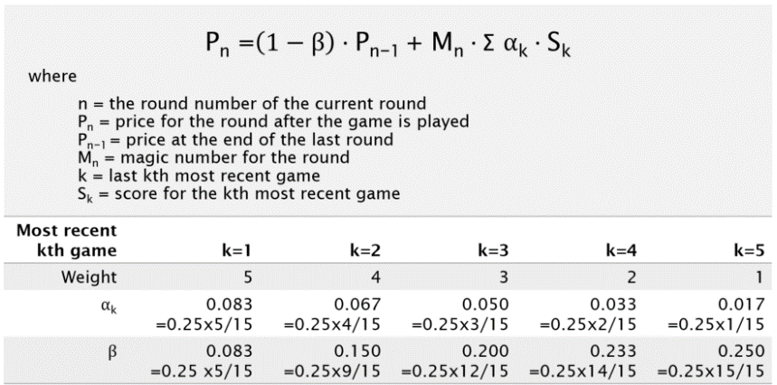

Source : | https://denisewong1.medium.com/how-afl-fantasy-pricing-works-part-2-bca9b6685d69

